About
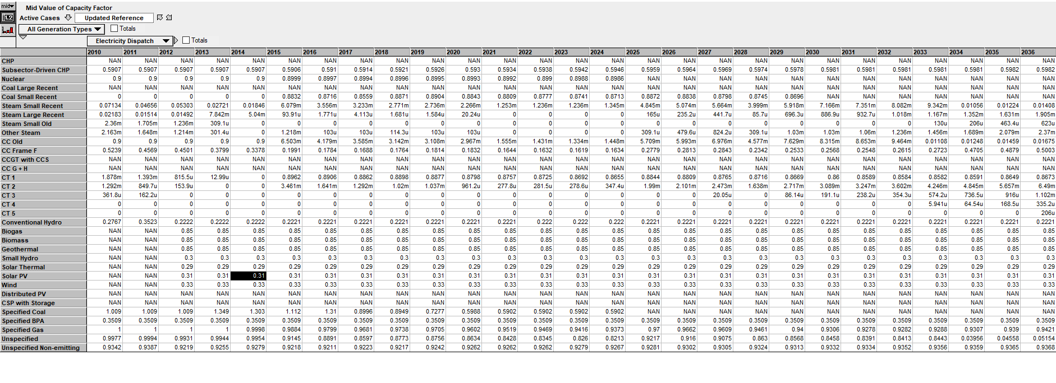
DSCF Distributed Solar Capacity Factor

Source: | E3, Olson et al, "WECC Capital Cost + Recommendations"
 | 4-Jun-12

Note: | Source data and information to locate it can be found below.
 | We sought first to use data from E3 Pathways, but we were unable to locate data for specific solar technologies.
 | The generic solar PV value, shown below from E3 Pathways output, is 0.31.
 | Consultation with in-house electricity sector experts indicates this is too high for non-utility scale solar.
 | Therefore, we use the value from the 2012 presentation shown immediately below. This may be an underestimate to the extent that it does not account for improvement in the efficiency of modules since 2012.

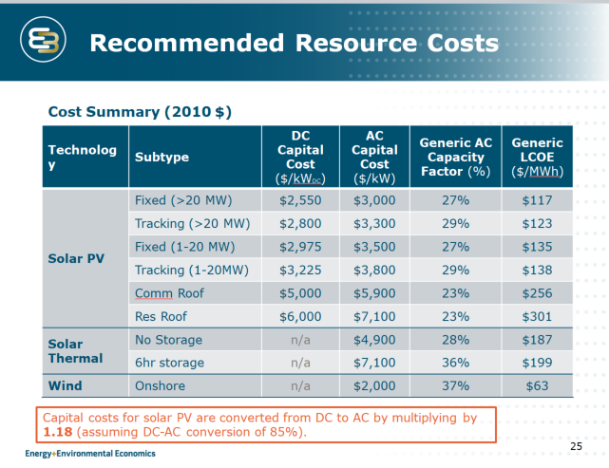
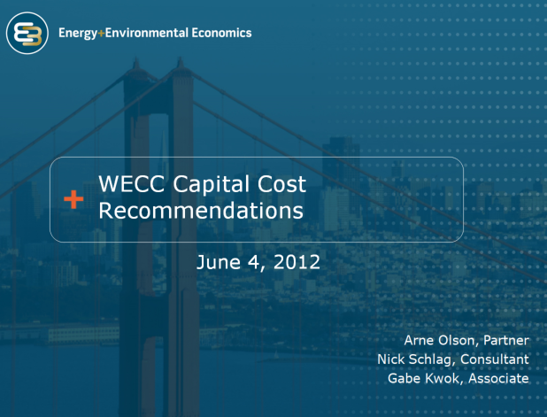

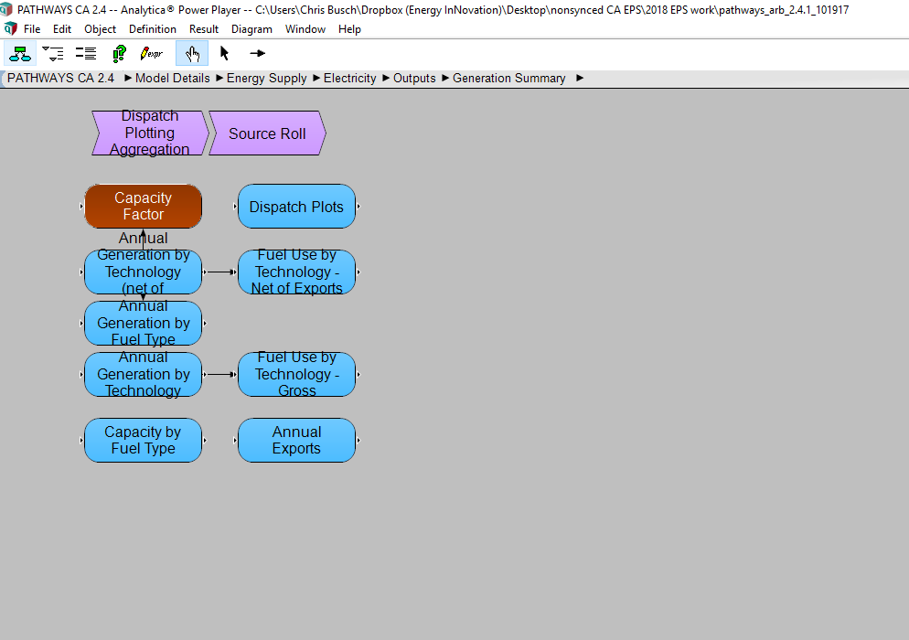
Pathways data

